Main
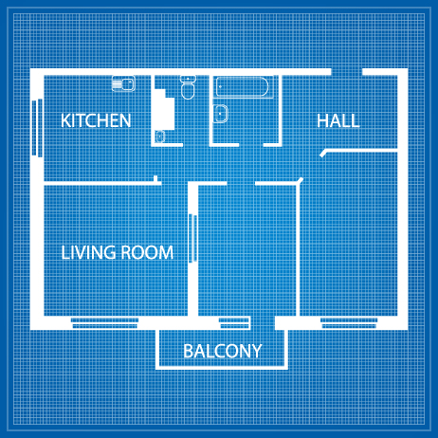
S
S
S/N | Light | Date Reported | Serviceability | Reported By | Remarks | Date Reported | Serviceability | Reported By | Remarks | Days U/S
201 | Bathroom | 11-Oct-22 | Serviceable | b
202 | Living Room | 12-Oct-22 | Unserviceable | a | Need to fix a certain part | 14-Oct-22 | Serviceable | a |  | 2
203 | Kitchen | 12-Oct-22 | Serviceable | b
S
204 | Dining | 11-Oct-22 | Unserviceable | b |  | 12-Oct-22 | Serviceable | a |  | 1
205 | Balcony | 15-Oct-22 | Unserviceable | a |  | 16-Oct-22 | Serviceable | a |  | 1
S

S

